Question 2
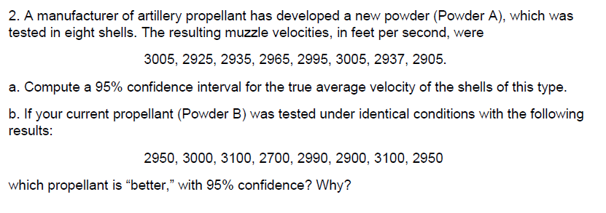
POWDER A
Results | Calculations
3005 | 2959 | /X
2925 | 1528 | S2x
2935 | 95 | Confidence
2965 | 0.05 | alpha
2995 | 8 | n
3005 | 1.86 | Talpha,n
2937 | 2981.9918873 | Cin+
2905 | 2936.0081127 | Cin-

POWDER B
Results | Calculations
2950 | 2961.25 | /X
3000 | 16155.357143 | S2x | I didn’t understand how to compare!!!
3100 | 95 | Confidence
2700 | 0.05 | alpha
2990 | 8 | n
2900 | 1.86 | Talpha,n
3100 | 3036.0103328 | Cin+
2950 | 2886.4896672 | Cin-

